Sheet1
Sample ID | Units | Method | General Information | Information useful to farmers, resources regarding which nutrients are lacking or abundant in
Date Recd |  |  |  | Information useful for us to possibly determine how much nitrogen is mineralizing or moving through the system
Date Rept
B Depth | inch |  | Beginning Depth
E Depth | inch |  | Ending Depth
Past Crop |  |  | Crops that were in place in the past
1:1 Soil pH |  | 10 g of soil, 10 ml of water, soil and water react for 30 mins | total acidity in soil, which can vary within and between years. Rainfall percolating, nitrification rate, salt content can all influence pH readings.
WDRF Buffer pH |  | If soil pH < 6.5, add buffer solution to measure total acidity to predict the amount of lime needed to neutralize acidity | active acidity in soil
1:1 S Salts mmho/cm | mmho/cm |  | electrical conductivity, reading above 1.5 - saline, 0.6 or 0.7, something is too high
Excess Lime |  |  | None means pH less than 7
Organic Matter LOI % | % | Percent organic matter, loss on ignition. Burn samples at 680 F to burn off organic matter for 2 hours. Weigh samples before and after, yielding % OM | OM accounts for half of the CEC
Potassium ppm K | mg/L | Ammonium Acetate Extraction, using an inductively coupled argon plasma to measure cations in the extract. | K > 160 good. K is generally locked up in feldspars, biotite and muscovite. Slowly and readily available K account for 1-2% of soils total K content, most available K occurs in soil solution. K is fixed in expanding clays - therefore illite can fix K.
Sulfate-S ppm S | mg/L | Mehlic 3 extraction
Zinc ppm Zn | mg/L | DTPA extraction,
Iron ppm Fe | mg/L | DTPA Extraction | Fe >4.5 ppm good
Manganese ppm Mn | mg/L | Ammonium Acetate Extraction | Mn > 3 good
Copper ppm Cu | mg/L | DTPA extraction
Calcium ppm Ca | mg/L | Amonium Acetate Extraction
Magnesium ppm Mg | mg/L | Amonium Acetate Extraction | Mg >50, good
Sodium ppm Na | mg/L | Amonium Acetate Extraction | Should be very low
CEC/Sum of Cations me/100g | meq/100g | Sum of cations (K, Ca, Mg, and NA) produce CEC | 1 gram atomic weight of hydrogen or the amount of any other ion that willl combine with or displace this amount of hydrogen. If clay has CEC of 1 meq/100 grams, capable of exchanging 1 mg of hydrogen for every 100 grams of clay. Cations are exchanged between soil solution, soil surfaces, and plant roots. Usually, CEC increases with pH
%H Sat | % | H/CEC | >40% more lime
%K Sat | % | K/CEC | Ward prefers to look at base saturation
%Ca Sat | % | Ca/CEC | Usually like 60-65%
%Mg Sat | % | Mg/CEC | Could look at Magnesium ppm to determine good value.
%Na Sat | % | Na/CEC | Sodium < 5%, if above apply gypsum
Mehlich P-III ppm P | mg/L | Mehlich 3 extraction
H2O NO3-N | mg/L | 4 gram of dried soil sample extracted with 40 ml of DI water, shaken for 10 mins, centriduged for 5 mins, filter through Whatman 2V filter paper. Water are analyzed on Lachat 8000 flow injection analyze for NO3-N | Also a form of inorganic N. Once more, if we compare the ratio between organic N to Inorganic N, we might be able to understand how much fertilizer is added to the system. Agriculture add a lot of inorganic N, there is organic N in soil organic matter, however it is pretty inaccessible. There is a transitory organic N between plant and animal residues and stable SOM (measured by water extract). Ratios should be above 5 ideally, although a range from 3-4 is acceptable. Ratios below 1 indicates property has a strong dependence on fertilizers.
Organic C H2O ppm | mg/L | Same water extract is analyzed on Teledyne-Tekmar Torch | organic carbon available for microbes, typically 100-300 ppm in ag soils
Organic N H2O ppm | mg/L | Same water extract is analyzed on Teledyne-Tekmar Torch. Subtracted NO3-N and NH4-N to yield Organic N | How active N mineralization or converting organic N into plant available nitrate and ammonium. 10-30 ppm usually
Organic C:N H2O |  | Same water extract is analyzed on Teledyne-Tekmar Torch | 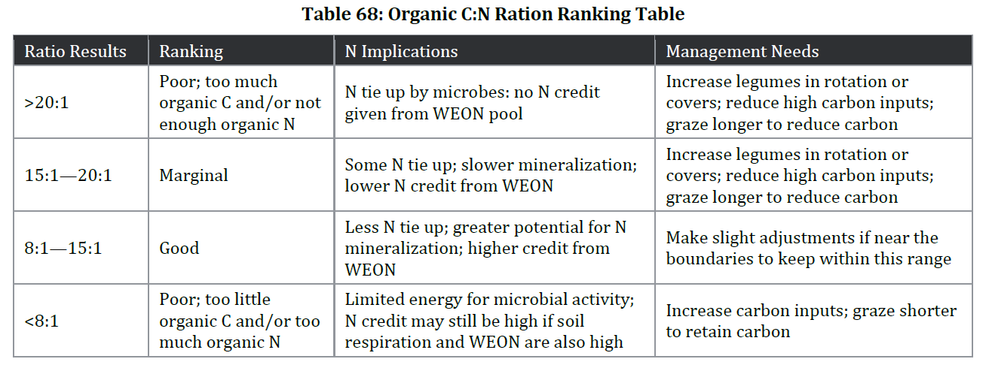 High C:N lots of food but not each food source, low C:N lots of N available but not energy to carry out essential functions, if the C:N falls above 25:1, microbes will take N from soils, immobilizing the nitrogen and reducing the nitrogen available for plant uptake. >20:1, poor and N is used by microbes, need to increase legumes in rotation, reduce high carbon inputs. 15:1-20:1, marginal. Some N tie up, slower mienralization lower N credit, continue to increase legumes in rotation, reduce high carbon inputs. 8.1-15.1 good, greater potential for N mineralization, make slight adjustments if near boundaries to stay in good range. <8.1, poor - litter energy for microbes, increase carbon inputs, graze shorter to retain carbon
Aggregate Stability 1-2mm % | % | 10 g in the 1-2 mm range. Sieves ranging from 1-2 mm are nested and placed in a yoder, 30 times per a min for 10 mins, remove sieves, oven-dry and weigh. Following Eijkelkamp (2018) Wet Sieving Apparatus Manual Van Eerd, L., DeBruyn, A., Ouellette, L., Hooker, D., Robinson, D. (2018) Quantitative and qualitative comparison of three wet aggregate stability methods using a long-term tillage system and crop rotation experiment. Nimmo, J.R. and K.S. Perkins. (2002) Aggregate Stability and Size Distribution. In: J.H. Dane and G.C. Topp (eds) Methods of Soil Analysis Part 4—Physical Methods. Soil Science Soc. Am. Madison, WI. | These values may be more useful if we have texture to determine if it is healthy
Aggregate Stability 1-2mm in bulk soil % | % | Similar process as aggregate stability, just using the bulk soil, unseived stuff?
H2O NH4-N | mg/L | 4 gram of dried soil sample extracted with 40 ml of DI water, shaken for 10 mins, centriduged for 5 mins, filter through Whatman 2V filter paper. Water are analyzed on Lachat 8000 flow injection analyze for NH4-N | Here you could compare Organic N to Inorganic N ratio, which would tell ushow much soil mirobes might have to mine N from SOM. The organic N is in transition between plant and animal residues. IF we compare the ratio, we would want to find numbers above 5. Organic N, balanced when C, will help feed plants and lead to more efficient use of N.
CO2 Soil Respiration | mg/L | 40 g of dried soils @ 50 degree celsius, ground and passed through 2mm seive, incubated for 25 hours at 24 degree celsius. Sample wetted through capillary action by adding 20 ml of DI water to 8 oz of glass jar. At the end of the incubation the jar is analyzed on a infrared gas analyzer Li-Cor-840A | 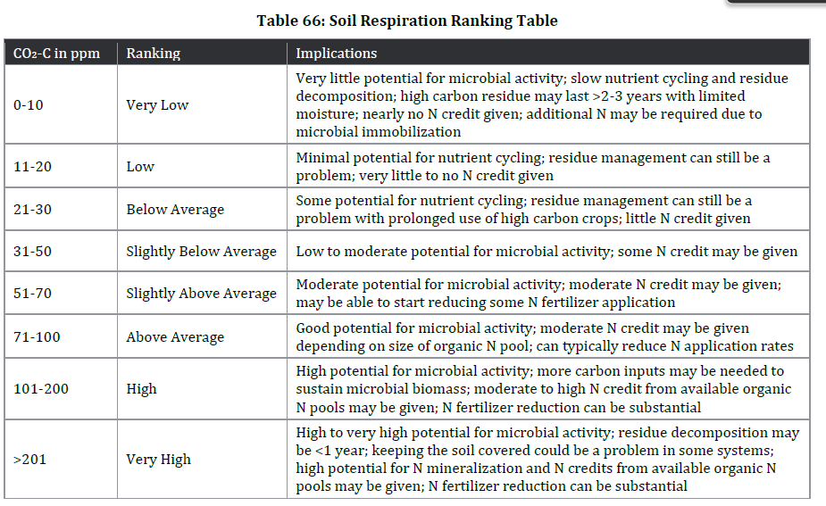 0-10 very low microbial activity, slow nutrient cycling and residue decomposition, high carbon residue may last a long time, nearly no nitrogen, nitrogen may need to be added to system. 11-20 low, mininal potential for nutrient cycling. 21-30 below average, potential for some nutrient cycling. 31-50 - slightly below average, low to moderate microbial activity. 51-70 good potential for microbial activity, can reduce nitrogen application rates, moderate N pools. 101-200 high - high microbial activity, more carbon inputs needed to sustain microbial biomass, can reduce N fertilizer. >201 very high, very high potential for microbial activity, keeping soil covered could be a problem in some systems, substantial reduction in N
Water Stable Aggregates (Mod) | % | Modified aggregate stability includes the sand as an aggregate in the soil (0.25-2mm) | Good aggregate stability, retains soil moisture, ranges from 15-90%. High aggregate stability, lower CEC.
Total N H2O ppm N | mg/L | Same water extract is analyzed on Teledyne-Tekmar Torch | Nitrogen cycle can be influenced by fixation, imobilization, ammonification, nitrification, and leaching. Legume bacteria, Rhizobium can fix atmospheric nitrogen, negative charge of clay can trap ammonium cations. Immobilization occurs when C:N ratio is higher than 25 and the microbes start to use available soil nitrogen to decompose residue, meaning there is not nitrogen for plants. If new vegetative inputs have a C:N ratio above 25 then nigrogen will be available. Ammonification occurs when microbes break down organic matter into CO2, H20 and NH4+. Plants can use the NH4+. Nitrification converts NH4+ into nitrite and quickly afterwards nitrate. Nitrifying bactera are senstive to environment (temperature, moisture, lime, fertilizer, salts, and C:N). Leaching is the loss of NO3 through the root zone, since NO3 is soluable and doesn't attach to clay particles. Mineralization is a combination of Ammonificaiton and Nitrification. Finally, denitrification converts NO3 back into gaesous forms. Poorly drained, poorly aerated soils encourage denitrification.
Soil Health Score |  | 1 day CO2/10 + WEOC/50 + WEON/10 | Typical range 0-50, although the number should be above 7 and should incease with time. Combines 5 independent measures of soil
Microbially Active Carbon (%MA | % | (CO2 respiration/WEOC)*100 | how much WEOC was used by microbes as soil respiration, most production systems should be 50-75%. If value is <25 WEOC is not the factor limiting soil respiration. If %MAC is above 80% WEOC could become more limiting and possibly ou should focus on introducing more carbon into the system. Ideally values should be between 50-75%.
Organic Nitrogen Release ppm N | mg/L | Sum of fraction of organic N pool acted upon by microbes over 24 hours and N mineralization | Total amount of N being released through microbial activity from organic pool. Large number usually means the soil is healthier. Although in ppm, we can figure out lb of nitrogen released per acre using the equation: Sample depth (inches) *0.3 *ppm value for organic release. There are three assumptions when calculating the Nitrogen release: The soil-test predicted N release calculation is built on the assumptions that (i) water-extracted C and soil respiration represent the total potential food source and the potentially mineralizable C, the C accessible to microbes in 24-h incubation (including physically bound C active to microbes), respectively; (ii) soil microorganisms use a similar proportion of water-extracted C and water-extracted N, (iii) during the growing season N is released in the soil, on average, four times after significant precipitation and (iv) the soil-test predicted N release cannot exceed the water-extracted organic
Organic Nitrogen Reserve ppm N | mg/L |  | The amount of N left in the organic N pool in ppm following the release by microbes.
Total Biomass | ng/g | PLFA analysis was done following: Bligh, E.G., and Dyer, W.J. 1959. A rapid method of total lipid extraction and purification. Canadian Journal of Biochemistry and Physiology 37:911-917. Buyer, J.S. and Sasser, M. 2012. High throughput phospholipid fatty acid analysis of soils. Applied Soil Ecology. 61:127-130. | 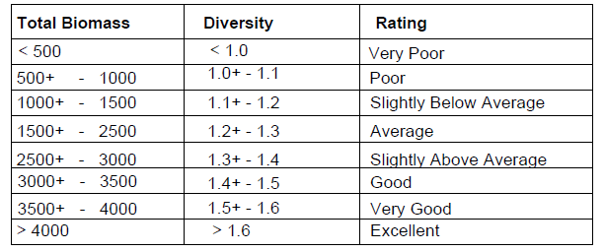
Diversity Index
Bacteria % | %
Total Bacteria Biomass | ng/g
Actinomycetes % | % |  | Actinomycetes are a gram +, aerobic, assist in the breakdown of less degradable insect/plant polymers like chitin, cellulose, and hemicellulose (Terry, 2015)
Actinomycetes Biomass | ng/g
Gram (-) % | % |  | Gram - will dominate in anaerobic conditions, other stressors like pesticide application, heavy metal contamination
Gram (-) Biomass | ng/g
Rhizobia % | % |  | A gram - species, Plant micriobiota, oligotrophic, symbiosis with legumes, forms N2-fixing bacteriods (Poole et al., 2018)
Rhizobia Biomass | ng/g
Total Fungi % | % |  | Fungi are desired and better indicator of good soil health
Total Fungi Biomass | ng/g
Arbusular Mycorrhizal % | % |  | Subgroup of fungi, associates with plants, help mitigate water stress by regulating water absorption, transpiration and photosynthesis ( Marschner and Dell, 1994; Auge, 2004) can also mediate the transport of phosphorous and nitrogen (Navarro et al., 2014; Sun et al., 2018) | add the way it was interpreted, good to bad ranges, additionally the units, method for determining this ratio
Arbuscular Mycorrhizal Biomass | ng/g
Saprophytic % | % |  | largest group of fungi, secretes extracellular enzymes to decompose other biological entities ( Hartl et al., 2012
Saprophytes Biomass | ng/g
Protozoan % | % |  | Protozoa feed on bacteria which helps release nutrients, like nitrogen
Protozoa Biomass | ng/g
Gram (+) Biomass | ng/g |  | Gram + typically dominate early in the growing season, following a fallow season, survive better under drought and extreme temperatures
Gram (+) % | %
Undifferentiated % | %
Undifferentiated Biomass | ng/g
Fungi:Bacteria |  |  | 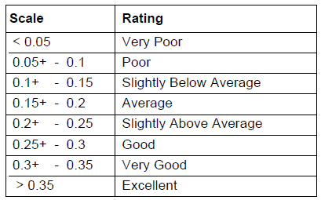 Bacteria generally dominate when there are not much organic inputs, residues leading to lower C:N, early spring or late fall, dry conditions, higher pH, tillage, grazing, compaction. More fungi are indicators of good soil health.
Predator:Prey |  |  | 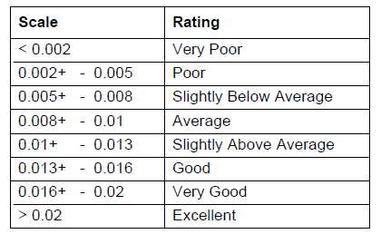 Protozoa to bacteria ratio, higher ratio suggests there are enough base level nutrients to support higher trophic levels, ratio will be low because prey outnumber predators.
Gram(+):Gram(-) |  |  | 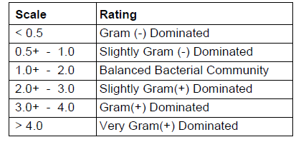 Gram positive will typically dominate in early growing season and following fallow period, drought or extreme temps. Higher values of gram positive coming out of dormancy or is stressed. Values become more balanced as soil condition become more favorable throughout growing season.
Sat:Unsat |  |  | Bacteria alter membranes for optimal fluidity for nutrient and waste transport. Saturated fatty acids reflect a better adapted community, stressed communities will have increased unsaturated fatty acids.
Mono:Poly |  |  | Further indicates the degree of community stress, higher ratio indicates less stress, lower ratio decpits higher levels of prolonged stress.
Pre 16:1w7c:cy17:0 |  |  | Cy (Cyclo) are fatty acids prominent during stationary phases of growth in stressful temperatures, pH, moisture, and nutrient availability. Higher Pre16/Pre18 is better, indicating a community that is actively growing. Usually higest at the planting of the growing season and decreases in towards the end.
Pre 18:1w7c:cy19:0
Beginning Depth
Ending Depth

References
Ian L. Pepper, Terry J. Gentry, in Environmental Microbiology (Third Edition), 2015
Poole, P., Ramachandran, V. and Terpolilli, J., 2018. Rhizobia: from saprophytes to endosymbionts. Nature Reviews Microbiology, 16(5), pp.291-303.
Marschner, H. and Dell, B., 1994. Nutrient uptake in mycorrhizal symbiosis. Plant and soil, 159, pp.89-102.
Augé, R.M., 2004. Arbuscular mycorrhizae and soil/plant water relations. Canadian Journal of soil science, 84(4), pp.373-381.
Navarro, J.M., Pérez-Tornero, O. and Morte, A., 2014. Alleviation of salt stress in citrus seedlings inoculated with arbuscular mycorrhizal fungi depends on the rootstock salt tolerance. Journal of Plant Physiology, 171(1), pp.76-85.
Sun, Z., Song, J., Xin, X.A., Xie, X. and Zhao, B., 2018. Arbuscular mycorrhizal fungal 14-3-3 proteins are involved in arbuscule formation and responses to abiotic stresses during AM symbiosis. Frontiers in microbiology, 9, p.91.
Hartl, L., Zach, S. and Seidl-Seiboth, V., 2012. Fungal chitinases: diversity, mechanistic properties and biotechnological potential. Applied microbiology and biotechnology, 93, pp.533-543.

